Notes
From Model Methodology Report | From Model Calibration/Validation Plan
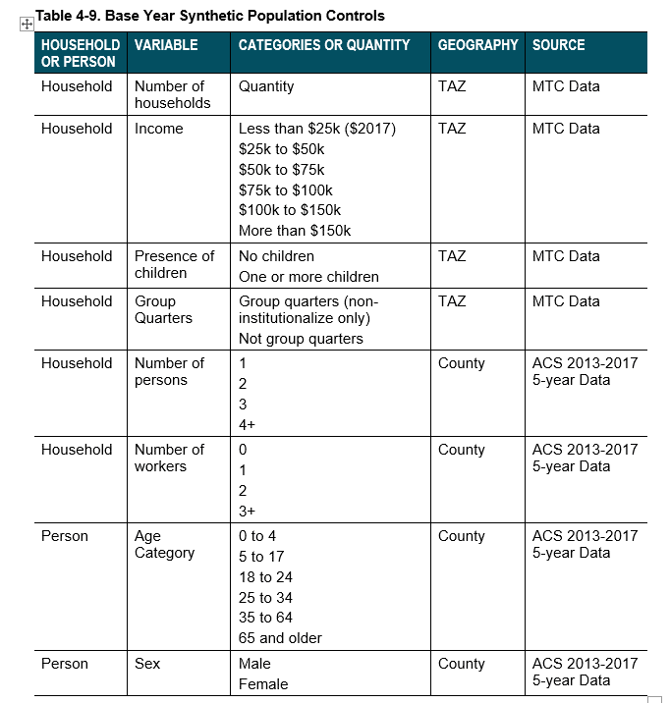
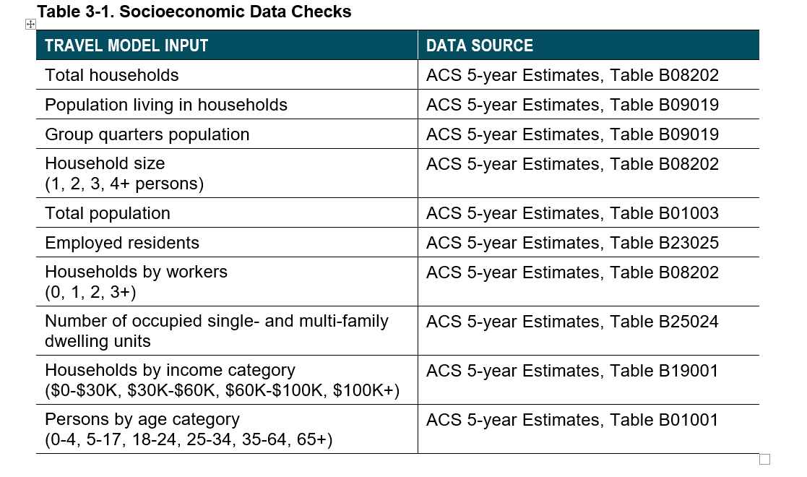

 |  | ACS 5-year data is 2013-2017

